Global Green energy data
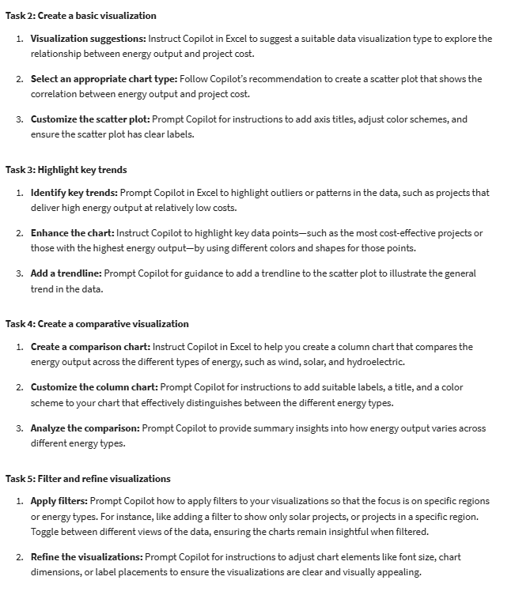
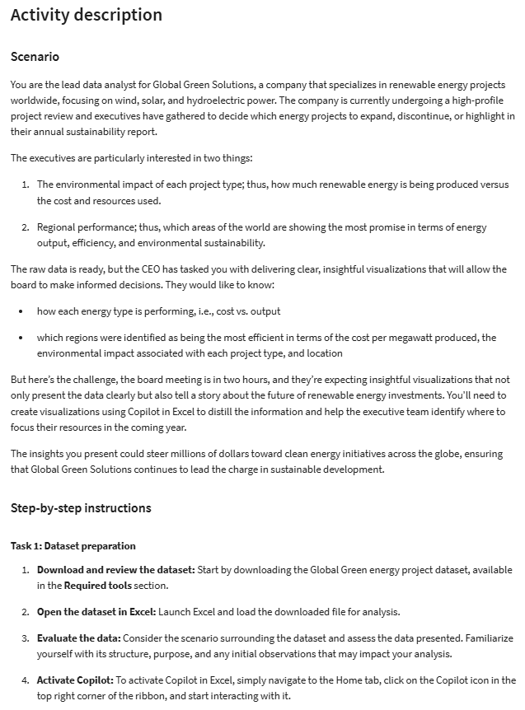
Project Name | Country | Continent | Energy Type | Cost (in $) | Energy Output (MW) | Environmental Impact (CO2 savings in tons/year)
Texas Wind Initiative | USA | North America | Wind | 1,500,000 | 100 | 1500
California Solar Oasis | USA | North America | Solar | 2,000,000 | 150 | 2000
Amazon River Hydroelectric Project | Brazil | South America | Hydro | 3,000,000 | 200 | 2500
North Sea Wind Farm | Germany | Europe | Wind | 1,200,000 | 80 | 1200
Outback Solar Power Plant | Australia | Australia | Solar | 1,800,000 | 120 | 1800
Great Lakes Hydroelectric Facility | Canada | North America | Hydro | 2,500,000 | 250 | 3000
Yangtze River Wind Project | China | Asia | Wind | 2,200,000 | 160 | 2400
Delhi Solar Initiative | India | Asia | Solar | 1,600,000 | 140 | 2200
Fjord Hydro Plant | Norway | Europe | Hydro | 2,700,000 | 300 | 3500
Iberian Wind Energy Project | Spain | Europe | Wind | 1,900,000 | 90 | 1350
Tokyo Solar Skyline | Japan | Asia | Solar | 2,100,000 | 110 | 1600
Kiwi Hydro Power Project | New Zealand | Oceania | Hydro | 2,300,000 | 270 | 3300
Loire Valley Wind Farm | France | Europe | Wind | 1,700,000 | 130 | 1950
Mexican Solar Revolution | Mexico | North America | Solar | 1,900,000 | 125 | 1750
Cape Town Hydroelectric Project | South Africa | Africa | Hydro | 2,800,000 | 320 | 4000
UK Offshore Wind Initiative | United Kingdom | Europe | Wind | 1,800,000 | 110 | 1650
Italian Solar Fields | Italy | Europe | Solar | 2,400,000 | 135 | 1900
Southeast Asia Hydro Project | Philippines | Asia | Hydro | 2,600,000 | 280 | 3600
Siberian Wind Energy Initiative | Russia | Europe | Wind | 2,500,000 | 140 | 2100
Argentinian Solar Harvest | Argentina | South America | Solar | 1,750,000 | 100 | 1500
Danish Wind Energy Partnership | Denmark | Europe | Wind | 1,600,000 | 75 | 1100
Nile Solar Project | Egypt | Africa | Solar | 2,100,000 | 160 | 2300
African Clean Energy Facility | Kenya | Africa | Hydro | 2,900,000 | 400 | 5000
Swedish Wind Power Network | Sweden | Europe | Wind | 2,200,000 | 90 | 1350
Thai Solar Energy Initiative | Thailand | Asia | Solar | 1,900,000 | 120 | 1800
Mekong River Hydro Development | Vietnam | Asia | Hydro | 2,600,000 | 310 | 4000
Portuguese Wind Energy Project | Portugal | Europe | Wind | 1,800,000 | 100 | 1500
Malaysian Solar Vision | Malaysia | Asia | Solar | 2,300,000 | 150 | 2100
Andes Hydroelectric Project | Chile | South America | Hydro | 2,500,000 | 260 | 3300
Emerald Isle Wind Initiative | Ireland | Europe | Wind | 1,700,000 | 85 | 1300
Singapore Solar Innovation | Singapore | Asia | Solar | 2,400,000 | 140 | 1900
Patagonia Hydro Initiative | Argentina | South America | Hydro | 2,700,000 | 320 | 4200
Korean Wind Energy Project | South Korea | Asia | Wind | 2,000,000 | 100 | 1500
Dutch Solar Energy Program | Netherlands | Europe | Solar | 2,200,000 | 135 | 1800
Indian Hydro Power Initiative | India | Asia | Hydro | 3,000,000 | 400 | 5000

